machine learning
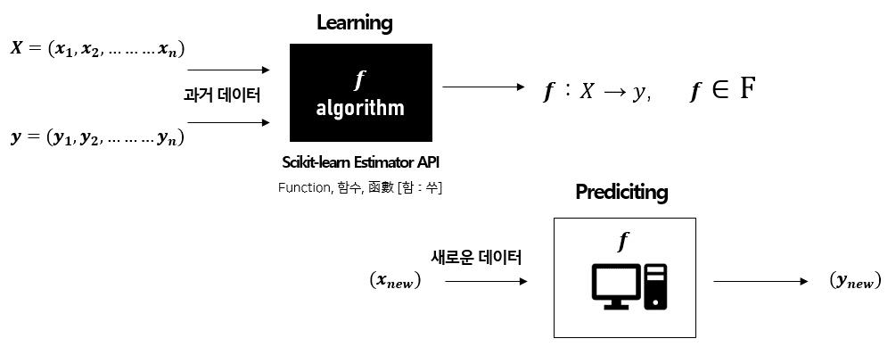
x versus y
1. Data
x | y
1 | 1
2 | 3
4 | 3
3 | 2
5 | 5

2. Linear Predictor |  | yhat = a + bx

y versus yhat
3. Optimizing
 |  | Error = y - yhat |  | Error^2 = (y - yhat)^2
 |  | minimize error (unhappy metric)


x | y | a | b | yhat | error^2
1 | 1 | 0.4 | 0.8 | 1.2 | 0.04 | a= 0.4, b=0.8
2 | 3 | 0.4 | 0.8 | 2 | 1
4 | 3 | 0.4 | 0.8 | 3.6 | 0.36
3 | 2 | 0.4 | 0.8 | 2.8 | 0.64
5 | 5 | 0.4 | 0.8 | 4.4 | 0.36
 |  |  |  | Sum of error^2 | 2.4

4. Prediction
x=6 | yhat=0.4 + 0.8*6

